Heatmap
I&W Risk Heatmap
The I&W Risk Table sheet.
 | Total Indicators |  | High Indicators | Moderate Indicators |  | Low Indicators
 | 9 |  | 7 | 2 |  | 0

 |  |  |  | Indicator Heatmap (1 = Low, 2 = Moderate, 3 = High)
Risk | Average Score | Overall Level | High Indicators | Risk | Indicator 1 | Indicator 2 | Indicator 3
Cybersecurity Breach | 2.7 | High | 2 | Cybersecurity | 3 | 3 | 2
System Integration Failure | 3.0 | High | 3 | System Integration | 3 | 3 | 3
Regulatory Non-Compliance | 2.7 | High | 2 | Regulatory | 3 | 2 | 3
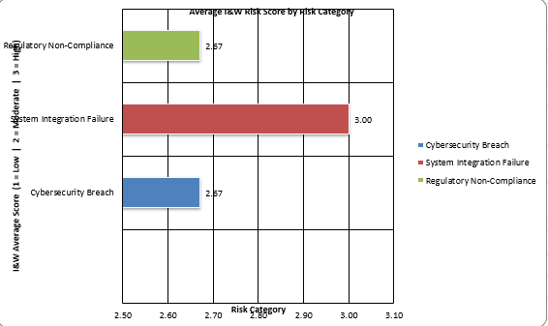
 |  |  |  | Risk | Indicator 1 | Indicator 2 | Indicator 3
 |  |  |  | Cybersecurity | Intrusion Attempts | Vulnerability Score | Data Encryption
 |  |  |  | System Integration | System Downtime | Error Rate | API Response Time
 |  |  |  | Regulatory | Audit Findings | Staff Training | Data Incidents

